Sheet1
Product Name | picture | Product size | units | Link | RRP | Total RRP
crystal table lamptwoTouch switch with two bulbs | 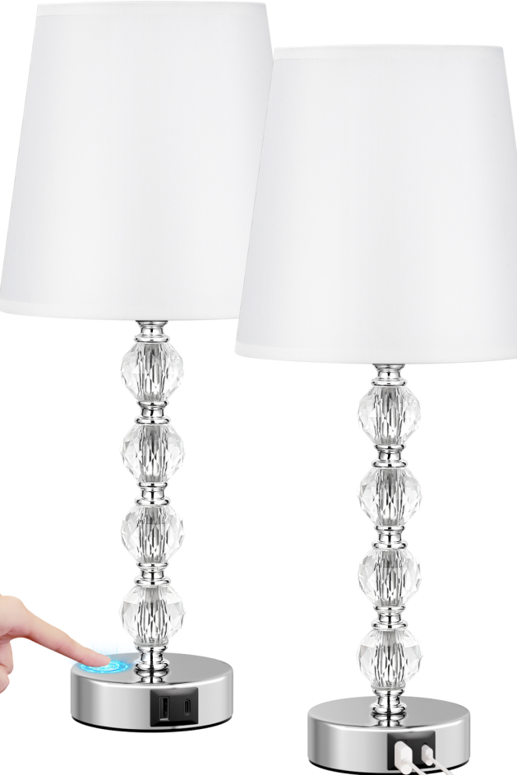 | Diameter 17.5*Height 37cm | 126 | none | £54.99 | £6,928.74
crystal table lamptwoPackaging-Large size-Touch switch-with two bulbs | 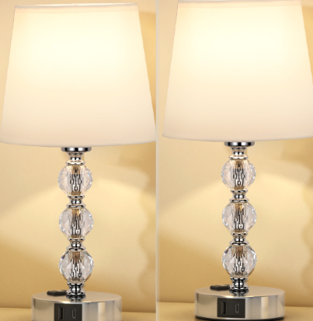 | Diameter 19*Height 47cm | 72 | none | £64.99 | £4,679.28
Crystal table lamp (1 piece) - touch switch - with one bulb | 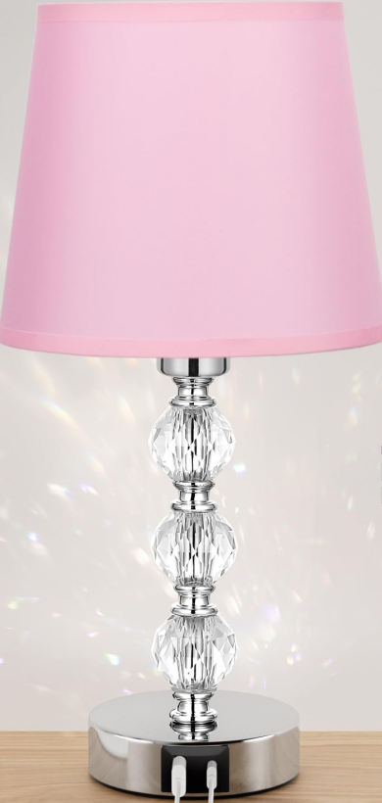 | Diameter 17.5*Height 37cm | 54 | none | £32.99 | £1,781.46
Crystal table lamp (1 piece) - touch switch - with one bulb | 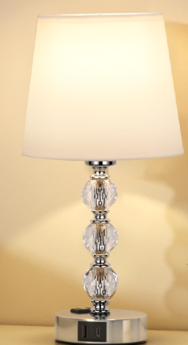 | Diameter 17.5*Height 37cm | 1715 | none | £29.99 | £51,432.85
Trapezoidal table lamptwoTouch switch with two bulbs | 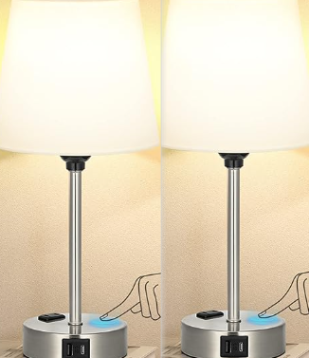 | Diameter 17*Height 37cm | 288 | none | £38.99 | £11,229.12
Trapezoidal table lamptwoTouch switch with two bulbs | 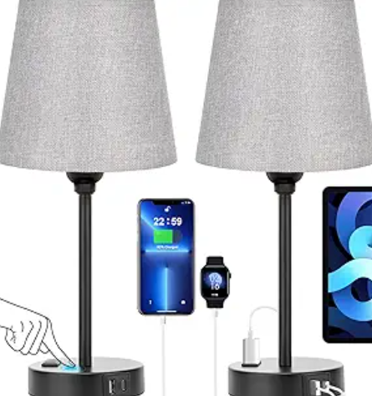 | Diameter 17*Height 37cm | 312 | none | £38.99 | £12,164.88
Trapezoidal table lamptwoTouch switch with two bulbs | 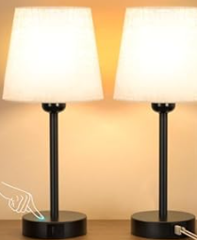 | Diameter 17*Height 37cm | 708 | none | £38.99 | £27,604.92
 |  |  | 3275 |  |  | £115,821.25

